Visuals
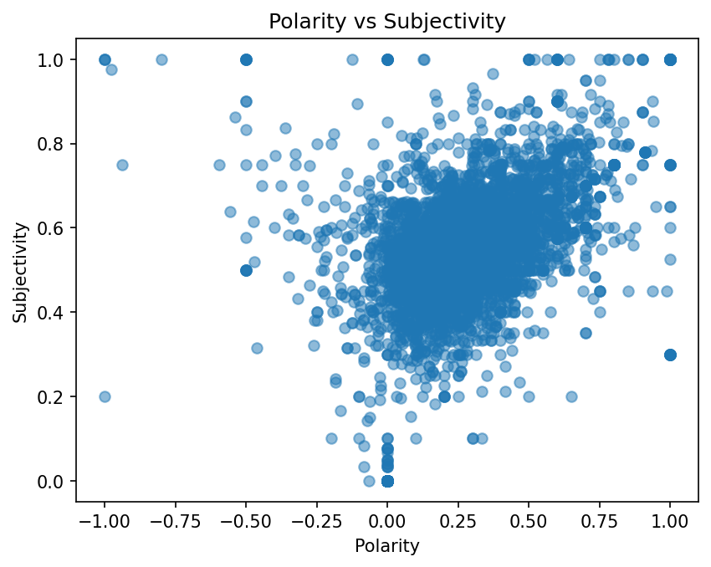
Distribution of Polarity Scores

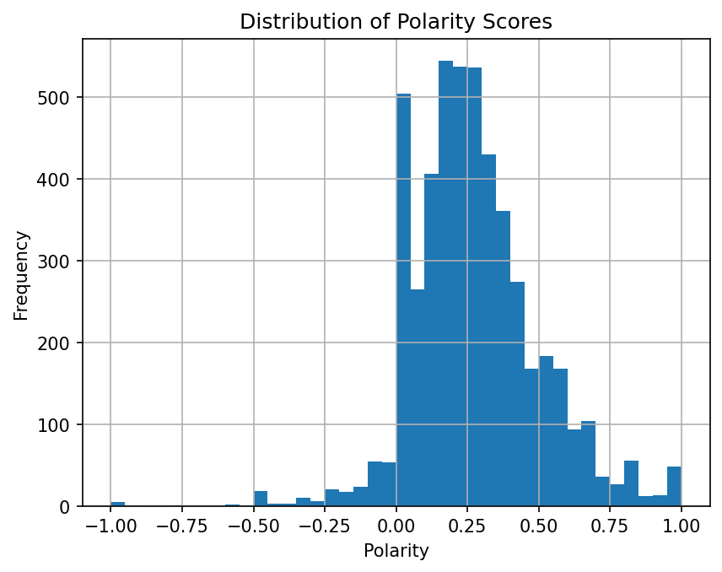

Polarity vs Subjectivity

